KPIs
Row Labels | TotalProfit | Row Labels | TotalSales | Row Labels | TotalOrders | Row Labels | TotalQuantity
Jan | 11708.3058 | Jan | 109456.6894 | Jan | 227 | Jan | 1855
Feb | 11357.2177 | Feb | 68546.4724 | Feb | 172 | Feb | 1131
Mar | 26761.7842 | Mar | 191665.306 | Mar | 327 | Mar | 2387
Apr | 10381.4887 | Apr | 136953.6968 | Apr | 338 | Apr | 2428
May | 20465.8354 | May | 146361.9499 | May | 359 | May | 2609
Jun | 24398.2717 | Jun | 161335.7057 | Jun | 374 | Jun | 2836
Jul | 13332.8846 | Jul | 148170.641 | Jul | 348 | Jul | 2762
Aug | 22043.2005 | Aug | 154153.1555 | Aug | 334 | Aug | 2652
Sep | 36146.2614 | Sep | 304631.1559 | Sep | 666 | Sep | 5000
Oct | 32624.7437 | Oct | 204727.053 | Oct | 434 | Oct | 3122
Nov | 42136.7896 | Nov | 330681.7425 | Nov | 721 | Nov | 5602
Dec | 35040.2384 | Dec | 340517.2922 | Dec | 709 | Dec | 5489
Grand Total | 286397.0217 | Grand Total | 2297200.8603 | Grand Total | 5009 | Grand Total | 37873

286397.0217 |  | 2297200.8603 |  | 5009 |  | 37873

Dashboard
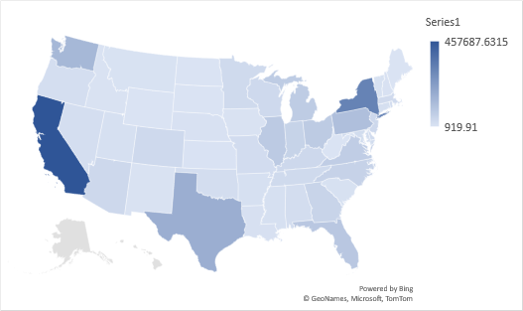
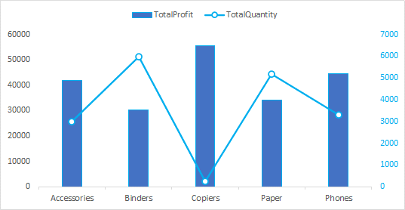
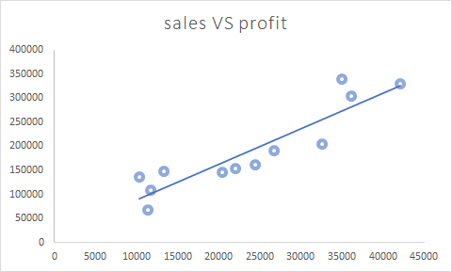

Target Tracker

Total Profit
Total Sales
Total Quantity
Total Orders
Profit Margin

286397.0217
2297200.86
37873
5009
12.47%

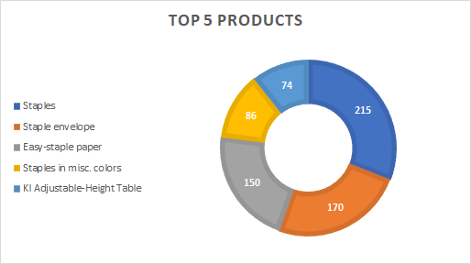
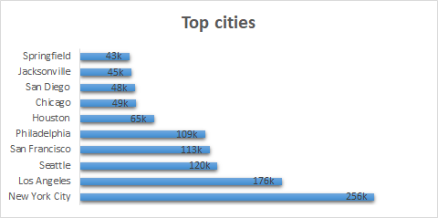

 | Total
Anna Andreadi | 30336.929
Cassandra Brandow | 24594.274
Chuck Magee | 24805.477
Kelly Williams | 29720.0094
Anna Andreadi | 18966.101
Cassandra Brandow | 21816.994
Chuck Magee | 14287.128
Kelly Williams | 13476.2494
Anna Andreadi | 72928.143
Cassandra Brandow | 50990.637
Chuck Magee | 34133.678
Kelly Williams | 33612.848
Anna Andreadi | 42490.059
Cassandra Brandow | 30575.192
Chuck Magee | 34972.492
Kelly Williams | 28915.9538
Anna Andreadi | 39355.8065
Cassandra Brandow | 26778.375
Chuck Magee | 46559.615
Kelly Williams | 33668.1534
Anna Andreadi | 52409.4435
Cassandra Brandow | 30422.37
Chuck Magee | 42300.58
Kelly Williams | 36203.3122
Anna Andreadi | 59686.718
Cassandra Brandow | 15149.165
Chuck Magee | 41576.945
Kelly Williams | 31757.813
Anna Andreadi | 63968.747
Cassandra Brandow | 25933.8285
Chuck Magee | 41037.602
Kelly Williams | 23212.978
Anna Andreadi | 77518.322
Cassandra Brandow | 41198.4365
Chuck Magee | 104797.461
Kelly Williams | 81116.9364
Anna Andreadi | 60634.8385
Cassandra Brandow | 26193.9225
Chuck Magee | 63677.538
Kelly Williams | 54220.754
Anna Andreadi | 97226.9075
Cassandra Brandow | 53195.025
Chuck Magee | 123882.639
Kelly Williams | 56377.171
Anna Andreadi | 109935.8095
Cassandra Brandow | 44873.6855
Chuck Magee | 106750.085
Kelly Williams | 78957.7122

Top products
Top 5 products

Row Labels | TotalQuantity
Staples | 215
Staple envelope | 170
Easy-staple paper | 150
Staples in misc. colors | 86
KI Adjustable-Height Table | 74
Grand Total | 695

top cites
Top cities
Row Labels | TotalSales
New York City | 256k
Los Angeles | 176k
Seattle | 120k
San Francisco | 113k
Philadelphia | 109k |  | TotalSales
Houston | 65k | Jan
Chicago | 49k | Anna Andreadi | 30336.929
 | Total
Anna Andreadi | 30336.929
Cassandra Brandow | 24594.274
Chuck Magee | 24805.477
Kelly Williams | 29720.0094
Anna Andreadi | 18966.101
Cassandra Brandow | 21816.994
Chuck Magee | 14287.128
Kelly Williams | 13476.2494
Anna Andreadi | 72928.143
Cassandra Brandow | 50990.637
Chuck Magee | 34133.678
Kelly Williams | 33612.848
Anna Andreadi | 42490.059
Cassandra Brandow | 30575.192
Chuck Magee | 34972.492
Kelly Williams | 28915.9538
Anna Andreadi | 39355.8065
Cassandra Brandow | 26778.375
Chuck Magee | 46559.615
Kelly Williams | 33668.1534
Anna Andreadi | 52409.4435
Cassandra Brandow | 30422.37
Chuck Magee | 42300.58
Kelly Williams | 36203.3122
Anna Andreadi | 59686.718
Cassandra Brandow | 15149.165
Chuck Magee | 41576.945
Kelly Williams | 31757.813
Anna Andreadi | 63968.747
Cassandra Brandow | 25933.8285
Chuck Magee | 41037.602
Kelly Williams | 23212.978
Anna Andreadi | 77518.322
Cassandra Brandow | 41198.4365
Chuck Magee | 104797.461
Kelly Williams | 81116.9364
Anna Andreadi | 60634.8385
Cassandra Brandow | 26193.9225
Chuck Magee | 63677.538
Kelly Williams | 54220.754
Anna Andreadi | 97226.9075
Cassandra Brandow | 53195.025
Chuck Magee | 123882.639
Kelly Williams | 56377.171
Anna Andreadi | 109935.8095
Cassandra Brandow | 44873.6855
Chuck Magee | 106750.085
Kelly Williams | 78957.7122
San Diego | 48k | Cassandra Brandow | 24594.274
Jacksonville | 45k | Chuck Magee | 24805.477
Springfield | 43k | Kelly Williams | 29720.0094
Grand Total | 1022k | Feb
 |  | Anna Andreadi | 18966.101
 |  | Cassandra Brandow | 21816.994
 |  | Chuck Magee | 14287.128
 |  | Kelly Williams | 13476.2494
 |  | Mar
 |  | Anna Andreadi | 72928.143
 |  | Cassandra Brandow | 50990.637
 |  | Chuck Magee | 34133.678
 |  | Kelly Williams | 33612.848
 |  | Apr
 |  | Anna Andreadi | 42490.059
 |  | Cassandra Brandow | 30575.192
 |  | Chuck Magee | 34972.492
 |  | Kelly Williams | 28915.9538
 |  | May
 |  | Anna Andreadi | 39355.8065
 |  | Cassandra Brandow | 26778.375
 |  | Chuck Magee | 46559.615
 |  | Kelly Williams | 33668.1534
 |  | Jun
 |  | Anna Andreadi | 52409.4435
 |  | Cassandra Brandow | 30422.37
 |  | Chuck Magee | 42300.58
 |  | Kelly Williams | 36203.3122
 |  | Jul
 |  | Anna Andreadi | 59686.718
 |  | Cassandra Brandow | 15149.165
 |  | Chuck Magee | 41576.945
 |  | Kelly Williams | 31757.813
 |  | Aug
 |  | Anna Andreadi | 63968.747
 |  | Cassandra Brandow | 25933.8285
 |  | Chuck Magee | 41037.602
 |  | Kelly Williams | 23212.978
 |  | Sep
 |  | Anna Andreadi | 77518.322
 |  | Cassandra Brandow | 41198.4365
 |  | Chuck Magee | 104797.461
 |  | Kelly Williams | 81116.9364
 |  | Oct
 |  | Anna Andreadi | 60634.8385
 |  | Cassandra Brandow | 26193.9225
 |  | Chuck Magee | 63677.538
 |  | Kelly Williams | 54220.754
 |  | Nov
 |  | Anna Andreadi | 97226.9075
 |  | Cassandra Brandow | 53195.025
 |  | Chuck Magee | 123882.639
 |  | Kelly Williams | 56377.171
 |  | Dec
 |  | Anna Andreadi | 109935.8095
 |  | Cassandra Brandow | 44873.6855
 |  | Chuck Magee | 106750.085
 |  | Kelly Williams | 78957.7122
 |  | Grand Total | 2297200.8603

SubCategory
Row Labels | TotalProfit | TotalQuantity
Accessories | 41936.6357 | 2976
Binders | 30221.7633 | 5974
Copiers | 55617.8249 | 234
Paper | 34053.5693 | 5178
Phones | 44515.7306 | 3289
Grand Total | 206345.5238 | 17651

sales&profit
sales VS profit
Row Labels | TotalProfit | TotalSales
Jan | 11708.3058 | 109456.6894 | 11708.3058 | 109456.6894
Feb | 11357.2177 | 68546.4724 | 11357.2177 | 68546.4724
Mar | 26761.7842 | 191665.306 | 26761.7842 | 191665.306
Apr | 10381.4887 | 136953.6968 | 10381.4887 | 136953.6968
May | 20465.8354 | 146361.9499 | 20465.8354 | 146361.9499
Jun | 24398.2717 | 161335.7057 | 24398.2717 | 161335.7057
Jul | 13332.8846 | 148170.641 | 13332.8846 | 148170.641
Aug | 22043.2005 | 154153.1555 | 22043.2005 | 154153.1555
Sep | 36146.2614 | 304631.1559 | 36146.2614 | 304631.1559
Oct | 32624.7437 | 204727.053 | 32624.7437 | 204727.053
Nov | 42136.7896 | 330681.7425 | 42136.7896 | 330681.7425
Dec | 35040.2384 | 340517.2922 | 35040.2384 | 340517.2922
Grand Total | 286397.0217 | 2297200.8603

